Sheet1
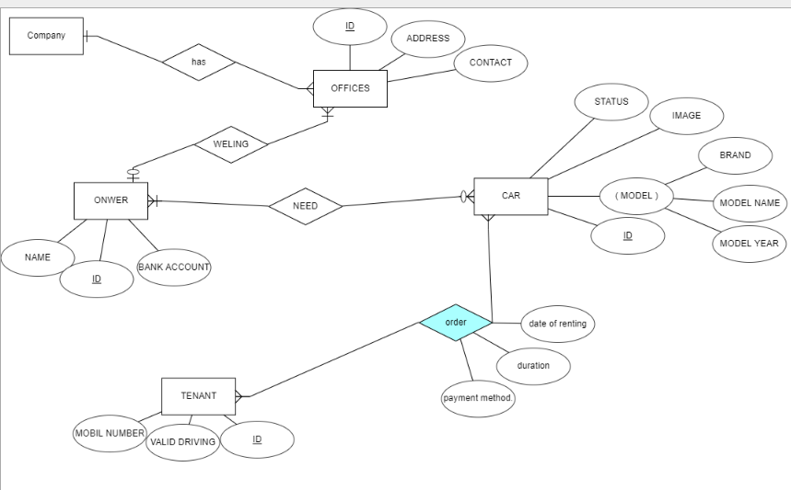
OFFICES
ID | ADDERSS | CONTACT

OWNER
ID | NAME | BANK ACCOUNT | OFFICES-ID

CAR
ID | IMAGE | STATUS | BRAND | MODELNAME | MODELYEAR | OWNER-ID

TENANT
ID | VAILD DRIVING | MOBIL NUMBER

TENANT-CAR
CAR-ID | TENANT-ID | DATE OF RENTING | duration | payment method.

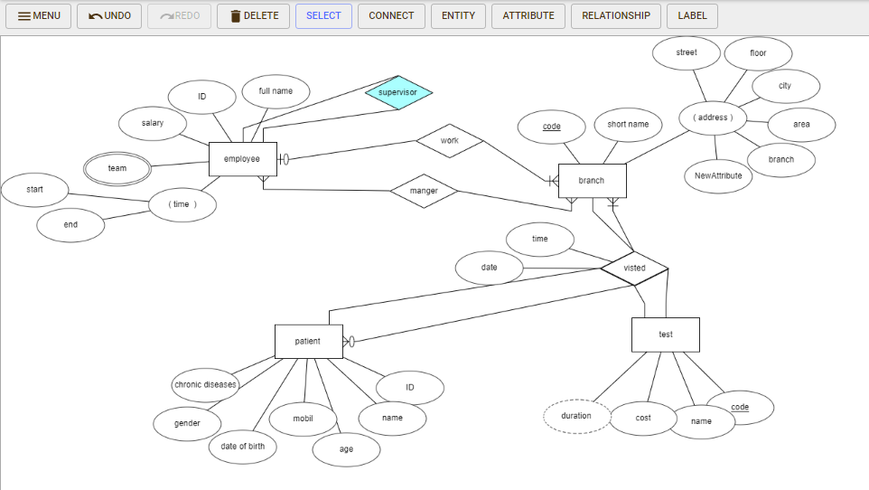

 | branch
 | code | short name | street | floor | city | area | building | manger-id

 | employee
 | id | full name | salary | team | start | end | supervisor | code

 | manger
 | employee-id | brranch-code
 | visited
 | code-branch | patient-id | test-code | date | time | result

 | patient
 | id | name | mobil | age | date of birth | gender

 | patient-diseases
 | patient-id | chronic diseases

 | test
 | code | name | cost

 | patient-test
 | patient-id | test-code

 | tes-condation
 | test-id | condation-id

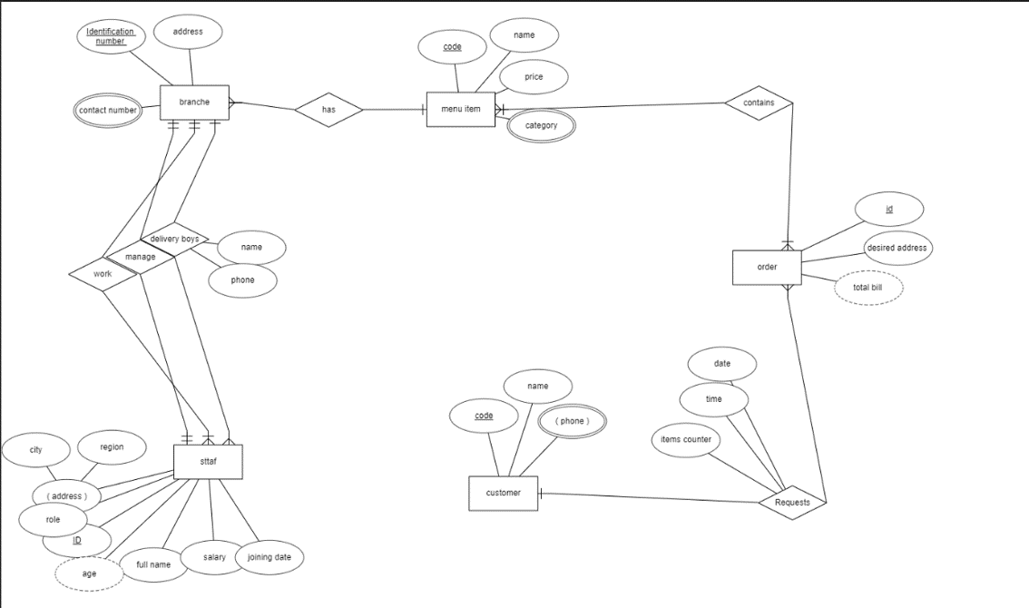

 |  | branch
 |  | id | address | phone | menuID

 |  | staff
 |  | id | name | salary | date | role | address | age | branchID

 |  | menu item
 |  | code | name | price | category

 |  | order
 |  | id | address | bill | date | time | itemsCounter |  | customerID

 |  | costomer
 |  | code | name | phone

 |  | menuItemOder
 |  | menuID | orderID

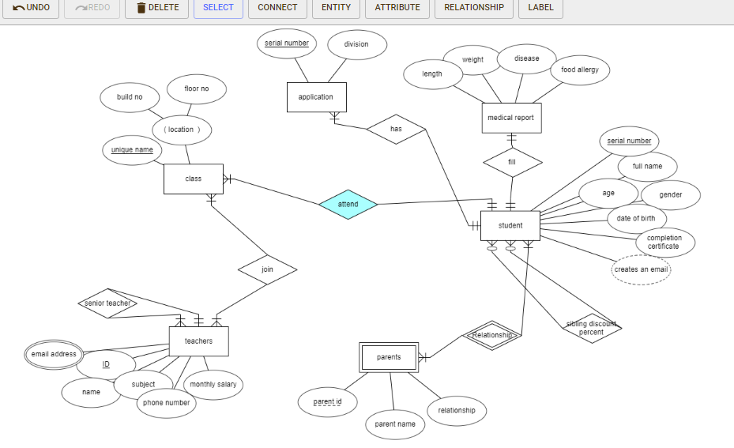

 |  | student
 |  | sreial number | full name | age | gender | date of birth | completion certificate | length | weight | disease | food allergy | class-unique name | sibling discount percent

 |  | parent
 |  | student-sreial number | parent-id | parent name | relationship

 |  | application
 |  | studentt-serial number | serial number-application | division

 |  | class
 |  | unique name | build no | floor no

 |  | teachers
 |  | ID | name | subject | phone number | monthly salary | senior teacher

 |  | email-address
 |  | teachers-id | email-address

 |  | class and teachers
 |  | teachers-id | class-unique name

